Sheet1
DESCRIPTION | UNITS | RETAIL | EXT. RETAIL
SNOW BLOWER 22" | 2 | $699.00 | $1,398.00 | IMAGES
mower 21" 80V SP | 2 | $599.00 | $1,198.00
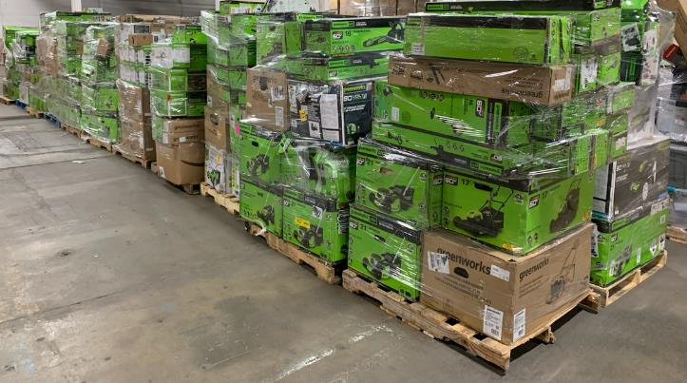
mower 21" 80V SP PRO | 1 | $599.00 | $599.00
MOWER 25' BL SP 60V | 3 | $599.00 | $1,797.00
MOWER 25' BL SP DUAL BLADE 60V | 10 | $599.00 | $5,990.00
SNOW BLOWER 22" | 1 | $569.00 | $569.00
SNOW BLOWER 20" 60V | 1 | $527.00 | $527.00
MOWER 21' BL SP 80V | 1 | $499.00 | $499.00
MOWER 21' BL 60V | 2 | $479.00 | $958.00
MOWER 21' BL SP 60V | 14 | $479.00 | $6,706.00
MOWER 25' BL SP 60V TO | 1 | $479.00 | $479.00
Mower 20" DUAL BLADE 40V | 3 | $439.00 | $1,317.00
MOWER SP/BLOWER COMBO 21"40V | 3 | $429.00 | $1,287.00
SNOW BLOWER 16" | 1 | $429.00 | $429.00
CHAINSAW 18" KOBALT 80V | 2 | $399.00 | $798.00
MOWER 19' BL 40V | 1 | $379.00 | $379.00
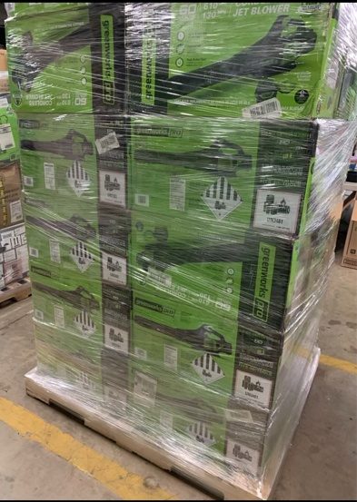
MOWER 19' BL 40V 3-1 G-MAX | 1 | $379.00 | $379.00
MOWER 21" 60 V | 6 | $369.00 | $2,214.00
MOWER 14" 40V AXIAL BLOWER COMBO | 7 | $354.00 | $2,478.00
CHAINSAW 16' BL 80V | 2 | $349.00 | $698.00
CHAINSAW 16' BL 80V PRO | 1 | $349.00 | $349.00
CHAINSAW 18' 60V BL | 12 | $349.00 | $4,188.00
CHAINSAW 18" PRO 80V DIGI PRO 45CC | 1 | $349.00 | $349.00
MOWER 17' CORDLESS 48V WITH BONUS DRILL | 1 | $349.00 | $349.00
Mower 20" 24/24 48 V WITH BONUS DRILL | 3 | $349.00 | $1,047.00
TRIMMER/BLOWER COMBO 80V | 1 | $335.00 | $335.00
CULTIVATOR 8' 60V BL | 1 | $329.00 | $329.00
SNOW BLOWER 20" | 2 | $329.00 | $658.00
BACKPACK BLOWER 610CFM BL 60V | 1 | $299.00 | $299.00
MOWER /TRIMMER/BLOWER COMBO 40V | 1 | $299.00 | $299.00
MOWER 16' CORDLESS 40V | 2 | $299.00 | $598.00
MOWER 17' CORDLESS 40V | 1 | $299.00 | $299.00
SNOW SHOVEL 12" 40V | 1 | $299.00 | $299.00
BLOWER DIGIPRO JET 80V | 1 | $289.00 | $289.00
HEDGE TRIMMER/POLESAW COMBO BL 60V 20" | 4 | $289.00 | $1,156.00
MOWER 16' GMAX 40V | 3 | $289.00 | $867.00
POLESAW/HEDGE TRIMMER 20" 60V | 9 | $289.00 | $2,601.00
MOWER 19' BL 60V | 4 | $279.00 | $1,116.00
CHAINSAW 16' BL 60V | 10 | $269.00 | $2,690.00
HEDGE TRIMMER 20" ULTRA POWER 60X RANGE | 1 | $269.00 | $269.00
MOWER 17' BL 60V | 7 | $259.00 | $1,813.00
BLOWER JET 700 CFM 60V | 9 | $249.00 | $2,241.00
PRESSURE WASHER 2300 PSI | 2 | $249.00 | $498.00
PRESSURE WASHER PREMIUM 2000 PSI | 1 | $249.00 | $249.00
TRIMMER 16' 80V 32CC | 2 | $249.00 | $498.00
TRIMMER 16' BL 80V PRO | 3 | $249.00 | $747.00
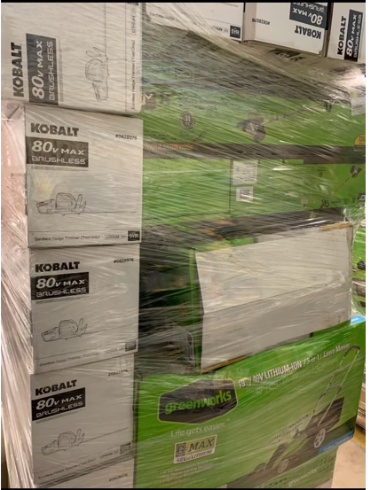
80V 4 AH EXTENDED BATTERY | 1 | $229.00 | $229.00
EDGER 8' BL 60V | 5 | $229.00 | $1,145.00
TRIMMER 13" / BLOWER 540 CFM 60 V | 13 | $229.00 | $2,977.00
TRIMMER 16' BL 60V | 47 | $229.00 | $10,763.00
Trimmer 16" 48V | 3 | $229.00 | $687.00
POLESAW/HEDGE TRIMMER COMBO 40V | 1 | $217.00 | $217.00
TRIMMER /BLOWER 16" 40V | 3 | $211.00 | $633.00
POLESAW/HEDGE TRIMMER COMBO 40V KOBALT | 1 | $200.00 | $200.00
60V 5AH BATTERY | 1 | $199.00 | $199.00
BACKPACK BLOWER 610CFM BL 60V TO | 1 | $199.00 | $199.00
EDGER 8' BL 60V TO | 12 | $199.00 | $2,388.00
EDGER KOBALT BL 80V TO | 2 | $199.00 | $398.00
HEDGE TRIMMER 80V KOBALT BL | 12 | $199.00 | $2,388.00
MOWER 17' BL 60V TO | 1 | $199.00 | $199.00
POLE SAW 10' BL 60V | 4 | $199.00 | $796.00
Pole Saw 10" BL 80V PRO | 1 | $199.00 | $199.00
TRIMMER 12 BLOWER COMBO 40V | 9 | $199.00 | $1,791.00
MOWER 20' 12A 3 IN 1 | 4 | $195.00 | $780.00
CHAINSAW 16" BL 40V TO KOBALT | 1 | $185.00 | $185.00
CHAINSAW 16' BL 60V TO | 3 | $179.00 | $537.00
HEDGE TRIMMER 80V KOBALT BL TO | 1 | $179.00 | $179.00
BLOWER 450 CFM 60V | 5 | $169.00 | $845.00
HEDGE TRIMMER 26' BL 60V | 14 | $169.00 | $2,366.00
Trimmer 13" BL 60V | 14 | $169.00 | $2,366.00
Trimmer 16" 40V | 2 | $169.00 | $338.00
BLOWER 610 CFM 60V BL | 50 | $164.00 | $8,200.00
POLESAW/HEDGE TRIMMER 20" 60V TO | 4 | $159.00 | $636.00
TRIMMER 16' BL 60V TO | 1 | $159.00 | $159.00
TRIMMER KOBALT 80V BL TO | 2 | $159.00 | $318.00
BLOWER 40V | 7 | $149.00 | $1,043.00
HEDGE TRIMMER 22' 24V | 1 | $149.00 | $149.00
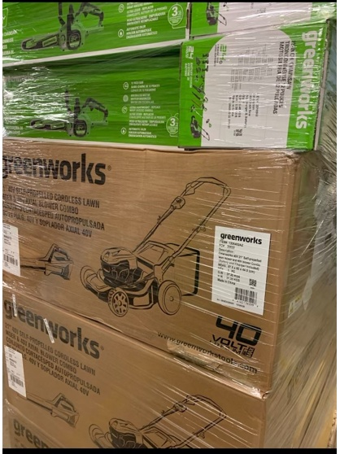
HEDGE TRIMMER 26' 60V TO | 4 | $149.00 | $596.00
HEDGE TRIMMER 40V BL KOBALT TO | 1 | $149.00 | $149.00
MOWER 16' 10A CORDED | 3 | $149.00 | $447.00
Pole Saw 10" BL 60V TO | 2 | $149.00 | $298.00
Trimmer 13" 40V | 1 | $149.00 | $149.00
40V 3AH BATTERY | 1 | $139.00 | $139.00
BLOWER AXIAL 40V BL | 2 | $139.00 | $278.00
HEDGE TRIMMER 24" 24v | 2 | $139.00 | $278.00
HEDGE TRIMMER 24" 40v | 2 | $139.00 | $278.00
HEDGE TRIMMER 40V KOBALT TO | 2 | $139.00 | $278.00
HEDGE TRIMMER 40V MAX KOBALT TO | 2 | $139.00 | $278.00
TRIMMER 13' 60V BL | 8 | $139.00 | $1,112.00
Trimmer 13" TORQUEDRIVE 60V | 2 | $139.00 | $278.00
TRIMMER 12' 24V | 1 | $137.00 | $137.00
80V 2AH BATTERY | 2 | $129.00 | $258.00
DETHATCHER 14" 10A | 3 | $129.00 | $387.00
PRESSURE WASHER 1700 PSI | 1 | $129.00 | $129.00
Trimmer 15" 48V | 1 | $129.00 | $129.00
BLOWER 450 CFM 60V TO | 1 | $120.00 | $120.00
BLOWER AXIAL 40V ELITE | 1 | $120.00 | $120.00
60V 2.5 AH BATTERY | 3 | $119.00 | $357.00
Trimmer 13" TORQUEDRIVE 60V TO | 1 | $119.00 | $119.00
TRIMMER KOBALT 40V BL TO | 2 | $119.00 | $238.00
chainsaw 12" 24v TO | 10 | $109.00 | $1,090.00
40V 2.5 BATTERY | 1 | $99.00 | $99.00
BLOWER 40V KOBALT TO | 2 | $99.00 | $198.00
Trimmer 13" BL 60V TO | 2 | $99.00 | $198.00
24V RECHARGEABLE BATTERY | 1 | $79.00 | $79.00
EXTENSION POLE 40V POLESAW | 1 | $79.00 | $79.00
Rapid CHARGER 60V | 1 | $79.00 | $79.00
CHARGER 60V | 1 | $59.00 | $59.00
CULTIVATOR BLADES | 1 | $35.00 | $35.00
PRESSURE WASHER HOSC | 2 | $25.00 | $50.00
PRESSURE WASHER QUICK CONNECT | 1 | $22.00 | $22.00
CHAINSAW 16' CHAIN | 1 | $19.00 | $19.00
SINGLE LINE REPLACEMENT SPOOL PK OF 3 | 10 | $18.99 | $189.90
EDGER BLADE | 2 | $13.00 | $26.00
 | 458 |  | $107,414.90

